Home


 |  |  |  |  |  | Log In | Register
 |  |  |  |  |  |  |  |  | Mice
HOME | PRODUCTS | COMMUNITY | CONTACT US | ABOUT US | Search | S$0.00 |  |  | Keyboards

 | Customised PC | F.A.Q |  |  |  |  |  | Login & Register
 | Mice | Forum |  |  |  |  |  | Follow www.fiverr.com
 | Mousepads | Social Media |  |  |  |  |  | Pop up login/register
 | Keyboards | Facebook |  |  |  |  |  | Add in, "By joining I agree to receive emails from Xanda"
 | Speakers |  |  |  |  |  |  | Integrate with autoresponder form in mailchimp
 | Headsets |  |  |  |  |  |  | For login
 | Monitors
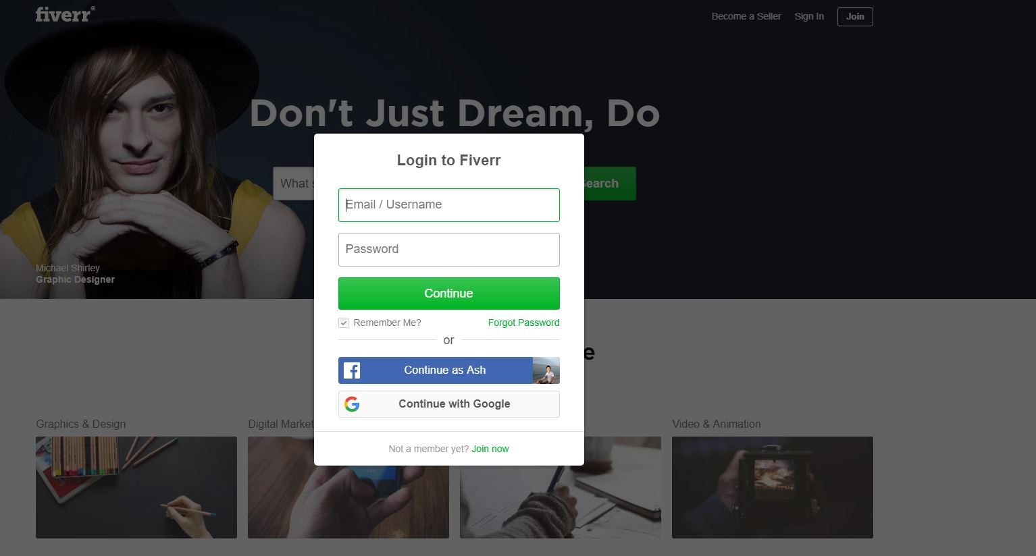

 |  |  | Sliders

Faq
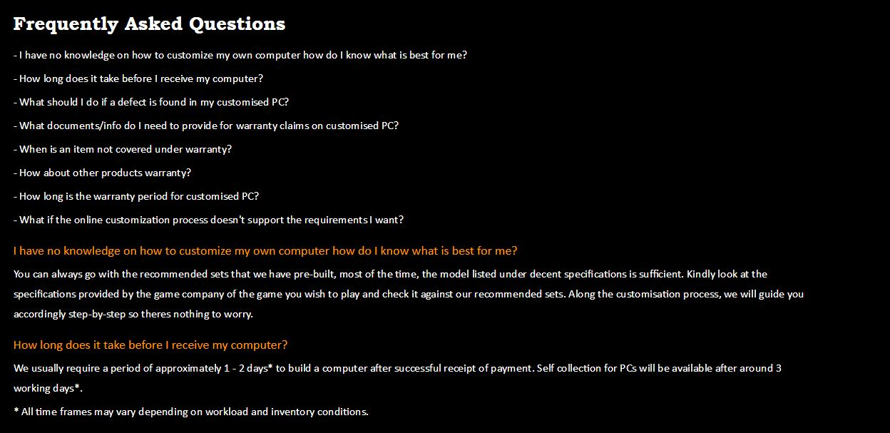
Frequently Asked Questions
- I have no knowledge on how to customize my own computer how do I know what is best for me?
- How long does it take before I receive my computer?
- What should I do if a defect is found in my customised PC?
- What documents/info do I need to provide for warranty claims on customised PC?
- When is an item not covered under warranty?
- How about other products warranty?
- How long is the warranty period for customised PC?
- What if the online customization process doesn't support the requirements I want?

I have no knowledge on how to customize my own computer how do I know what is best for me?
You can always go with the recommended sets that we have pre-built, most of the time, the model listed under decent specifications is sufficient. Kindly look at the specifications provided by the game company of the game you wish to play and check it against our recommended sets. Along the customisation process, we will guide you accordingly step-by-step so theres nothing to worry.
How long does it take before I receive my computer?
We usually require a period of approximately 1 - 2 days* to build a computer after successful receipt of payment. Self collection for PCs will be available after around 3 working days*.
* All time frames may vary depending on workload and inventory conditions.
What should I do if a defect is found in my customised PC?
Occurance of defects should be rare as we test the functionality of all PCs before delivering them to our customers. If a defect shall occur however, you can contact our service centre via our live chat or email (enquiry@xanda.sg) for assistance.

What documents/info do I need to provide for warranty claims on customised PC?
We need following documents and details,
1. Full Name
2. Address
3. Contact Number
4. Invoice

When is an item not covered under warranty?
Our warranty does not cover the following areas:
i) wear and tear or damage caused by accident, abuse, misuse, fire, water or other acts of nature or external causes ;
ii) damge to a product that has been modified or altered without the written permission of Xanda;

How about other products warranty?
We offer free 1 to 1 exchange for other products (excluding customised PC) with defects or problems occurring within 7 days following purchase. After that, Kindly liaise with respective manufacturer directly for warranty claim if any.
How long is the warranty period for customised PC?
3 Years
What if the online customization process doesn't support the requirements I want?
You can send us an e-mail or message through live chat for your full list of requirements

About Us
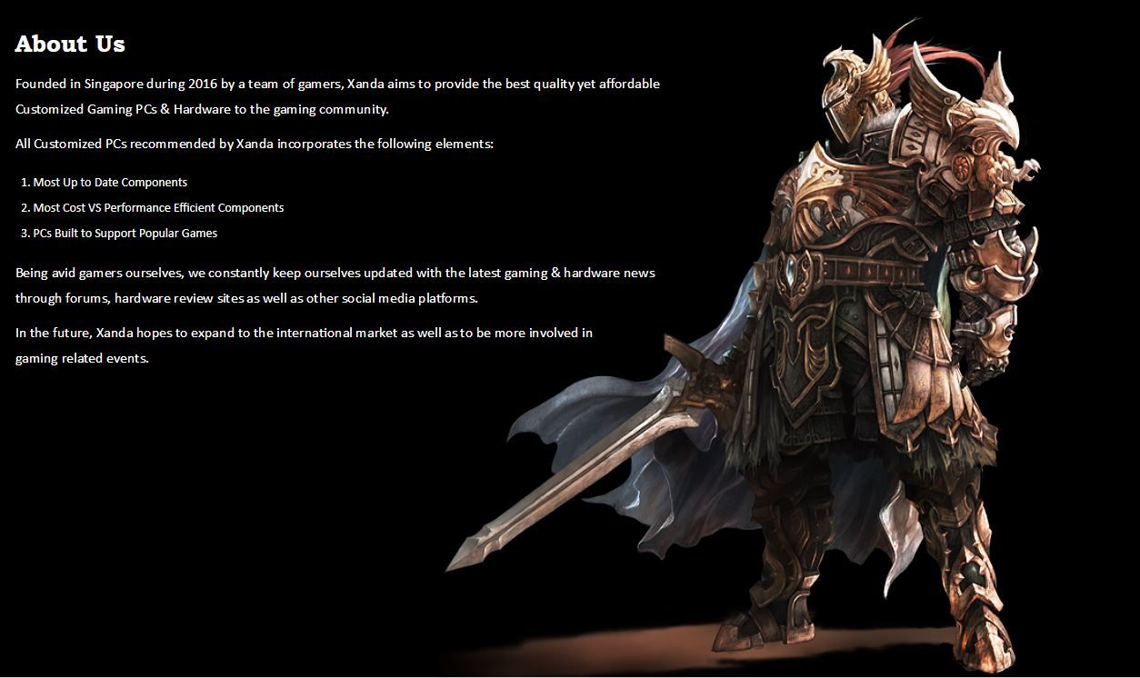
About Us Founded in Singapore during 2016 by a team of gamers, Xanda aims to provide the best quality yet affordable Customized Gaming PCs & Hardware to the gaming community. All Customized PCs recommended by Xanda incorporates the following elements: Most Up to Date Components Most Cost VS Performance Efficient Components PCs Built to Support Popular Games Being avid gamers ourselves, we constantly keep ourselves updated with the latest gaming & hardware news through forums, hardware review sites as well as other social media platforms. In the future, Xanda hopes to expand to the international market as well as to be more involved in gaming related events.

Contact Us
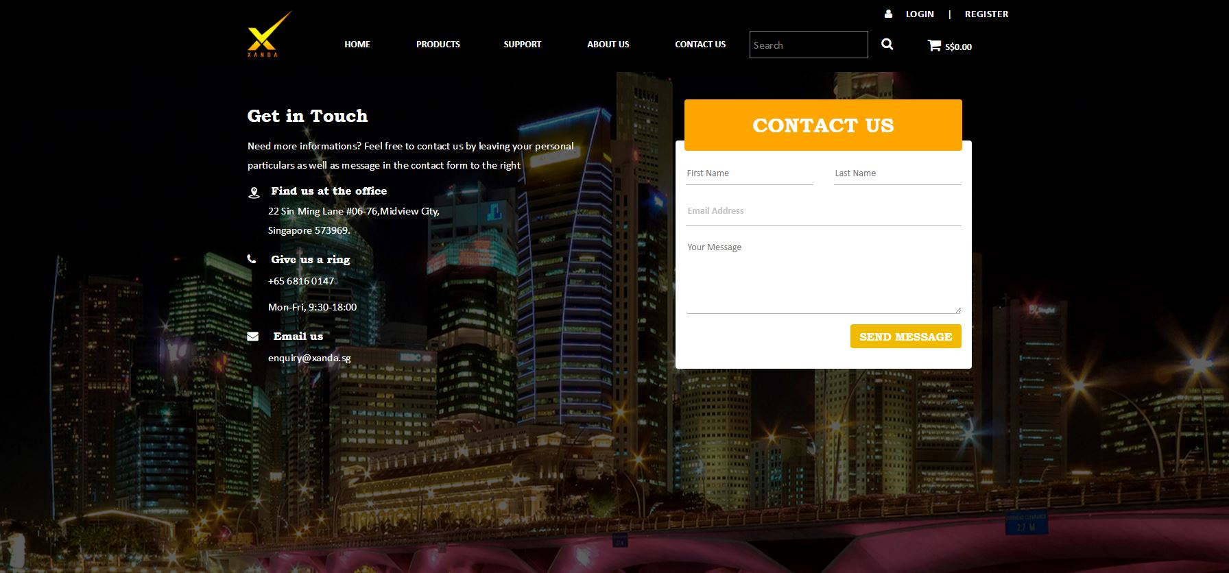
Get in Touch Need more informations? Feel free to contact us by leaving your personal particulars as well as message in the contact form to the right Find us at the office 22 Sin Ming Lane #06-76,Midview City, Singapore 573969. Give us a ring +65 6816 0147 Mon-Fri, 9:30-18:00 Email us enquiry@xanda.sg

Insert contact form

